Main
 |  |  |  |  |  |  |  |  | Chegg Study Pack (Study, Writing, Math)
 |  |  |  |  |  |  |  |  | Chegg Study
 |  |  |  | Q224 | Q324 |  |  |  | Chegg Writing - EasyBib, Citation Machine, CiteThisForMe
 |  |  | Price | $1.55 |  |  |  |  | Chegg Math - Mathway
 | 133 | cash | Shares | 104,307 |  | in K |  |  | Busuu - language learning
 | 212 | ST invest | MC | 161,155 |  | in K usd |  |  |  | Course Hero, Quizlet, Khan Academy, and Brainly
 | 260 | LT invest | Cash | 605,389 | 654,986 | in K usd | the platform sucks |  |  | Grammarly | Photomath, Gauthmath, and Symbolab
 |  |  | Debt | 600,917 | 619,588 | in K usd | senior notes are debt too |  | Chegg Skills - corporate |  | Duolingo and Babbel
 |  |  | EV | 156,683 | 125,757 | in K usd |  |  |  |  | General Assembly, Galvanize, Inc., Flatiron School, Codecademy, DataCamp, and Lambda, Inc.
 |  |  |  |  |  |  |  |  |  |  | 2U, Inc., Simplilearn, and Kenzie Academy.

Q12324 | FCF | 45,418 |  |  |  |  |  | Founded: 2005 |  |  | EasyBib
2024 | FCF | 45,418

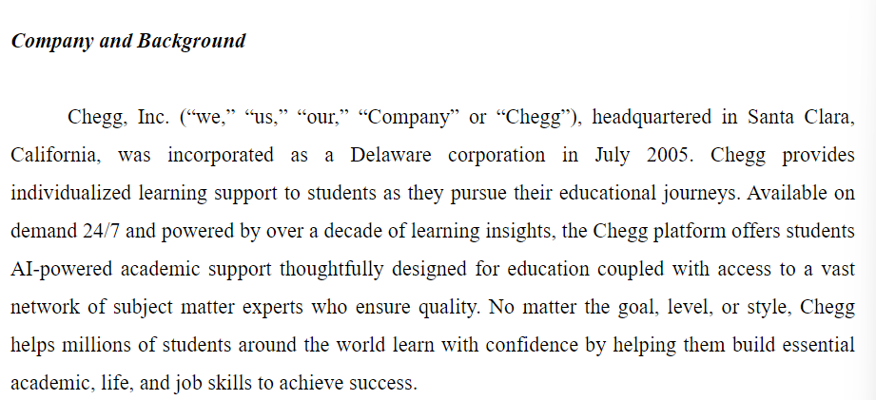
EV/FCF |  | 3.55

